circuit calcs
 |  |  |  |  |  |  |  |  | HEX | BIN
Resistors in parallel |  |  |  |  |  |  |  |  | 1f | 00011111

 | 1 | = | 1 | + | 1 | +
 | R |  | R1 |  | R2

 |  |  |  |  |  |  | R | 9375
 |  |  |  |  |  |  | R1 | 150000
 |  |  |  |  |  |  | R2 | 10000

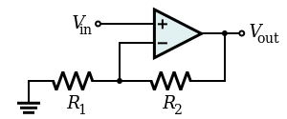
Non inverting Amp

 |  |  |  |  |  |  | Vin | 5
 |  |  |  |  |  |  | R1 | 1000
 |  |  |  |  |  |  | R2 | 100000

 |  |  |  |  |  |  | Vout | 505
 |  |  |  |  |  |  | Gain | 101

